10.D mass-spec
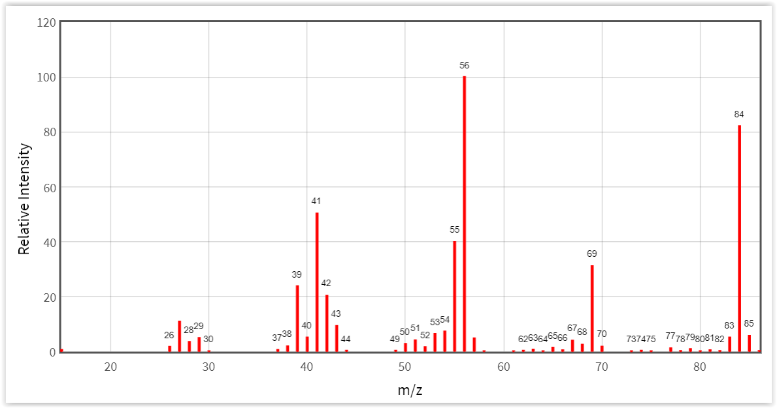
You-Try-It 10.D |  | Mass Spectrometry
 |  |  |  |  |  |  |  | NIST Mass Spec Data Center, S.E. Stein, director, "Mass Spectra" in
This worksheet contains mass spectra of several analytes. |  |  |  |  |  |  |  | NIST Chemistry WebBook, NIST Standard Reference Database Number 69,
 |  |  |  |  |  |  |  | Eds. P.J. Linstrom and W.G. Mallard,
1. | Predict the mass of the molecular ion for each analyte. |  |  |  |  |  |  | National Institute of Standards and Technology, Gaithersburg MD, 20899,
 | Comment on the intensity of this peak in the mass spectrum. |  |  |  |  |  |  | doi:10.18434/T4D303, (retrieved July 31, 2018).
2. | Predict the chemical formula for the three most abundant peaks in each mass spectrum.
3. | Calculate the expected ratio for the following peaks.
 | benzene 78 and 79
 | chlorobenzene 112 and 114
 | benzoic acid 122, 123, and 124

 |  |  | molecular ion mass: |  | C | H
 | octane | C8H18 |  | Da
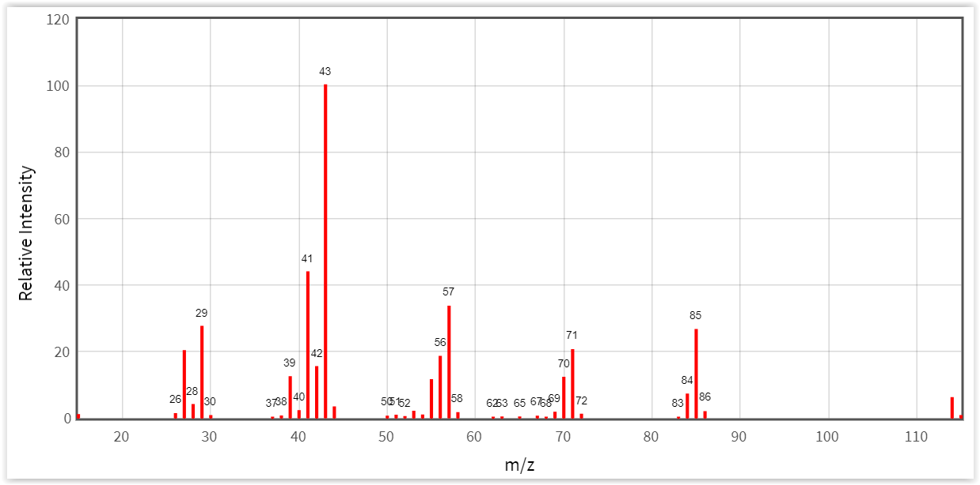

 |  |  | molecular ion mass: |  | C | H
 | isooctane | C8H18 |  | Da
 | (2,2,4-trimethylpentane)
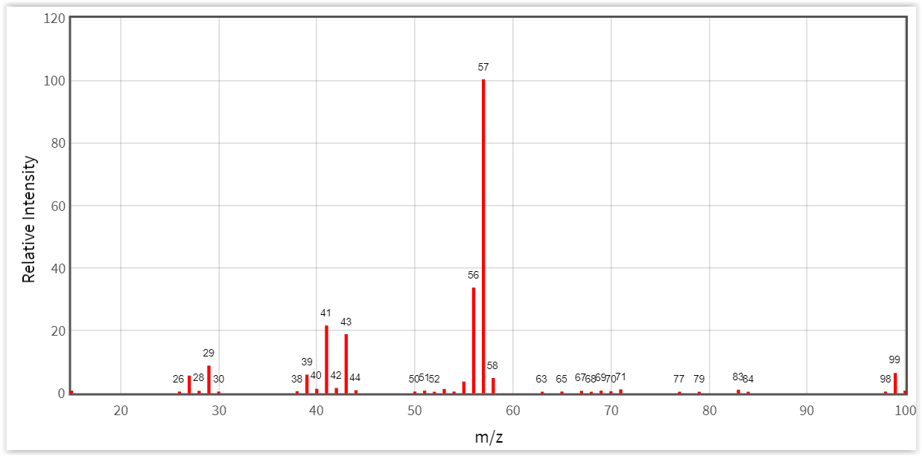

 |  |  | molecular ion mass: |  | C | H
 | benzene | C6H6 |  | Da
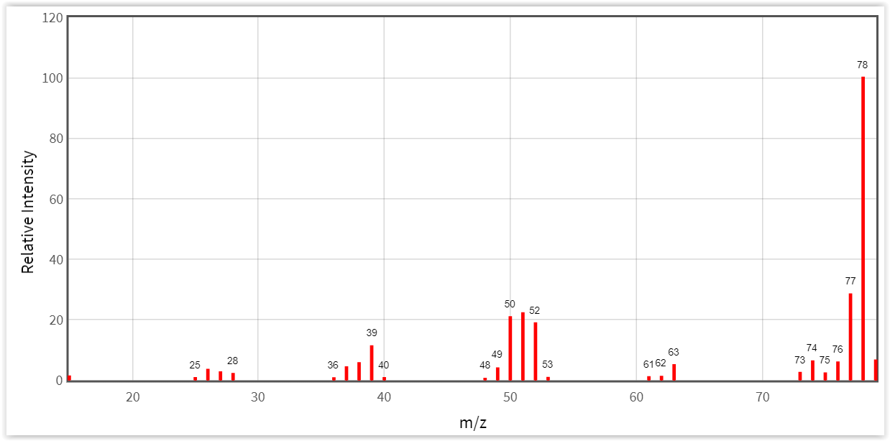

 |  |  | molecular ion mass: |  | C | H
 | toluene | C7H8 |  | Da
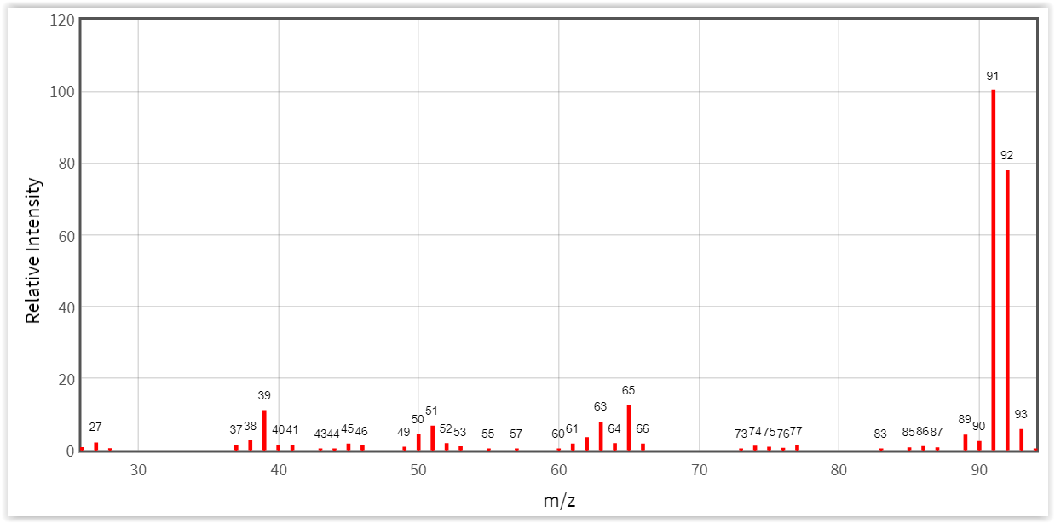

 |  |  | molecular ion mass: |  | C | H | O
 | benzoic acid | C7H6O2 |  | Da
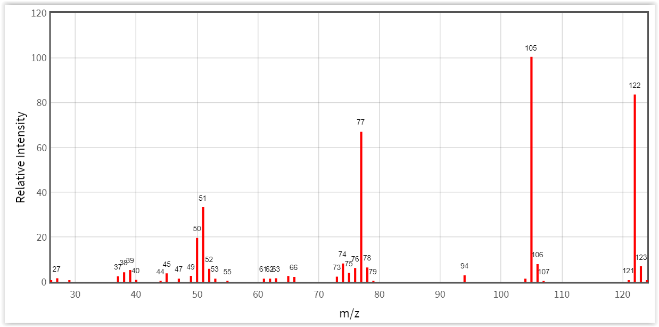

 |  |  | molecular ion mass: |  | C | H | Cl
 | chlorobenzene | C6H5Cl |  | Da
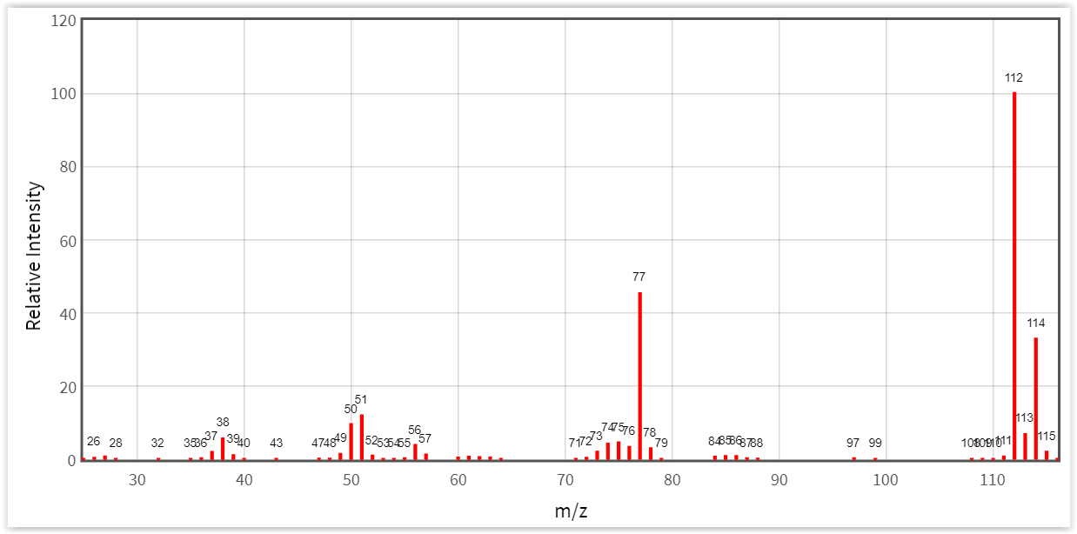

 |  |  | molecular ion mass: |  | C | H | O
 | salicylic acid | C7H6O3 |  | Da
 | (2-Hydroxybenzoic acid)
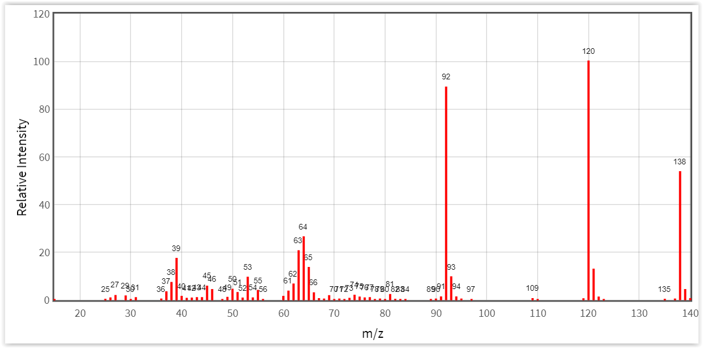

 | acetylsalicylic acid |  | molecular ion mass: |  | C | H | O
 |  | C9H8O4 |  | Da
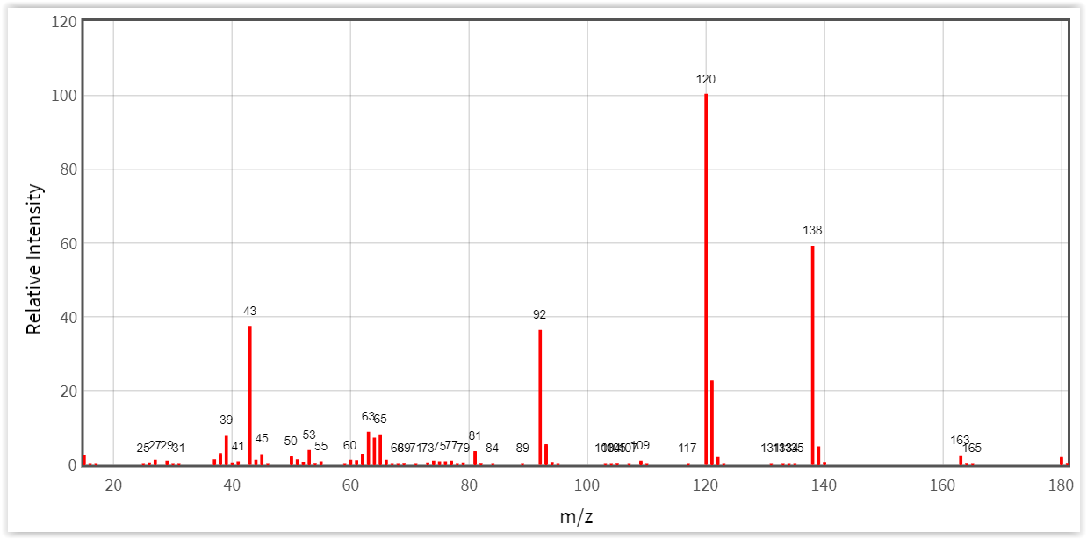

 | Methyl t-butyl ether |  | molecular ion mass: |  | C | H | O
 | (MTBE) | C5H12O |  | Da
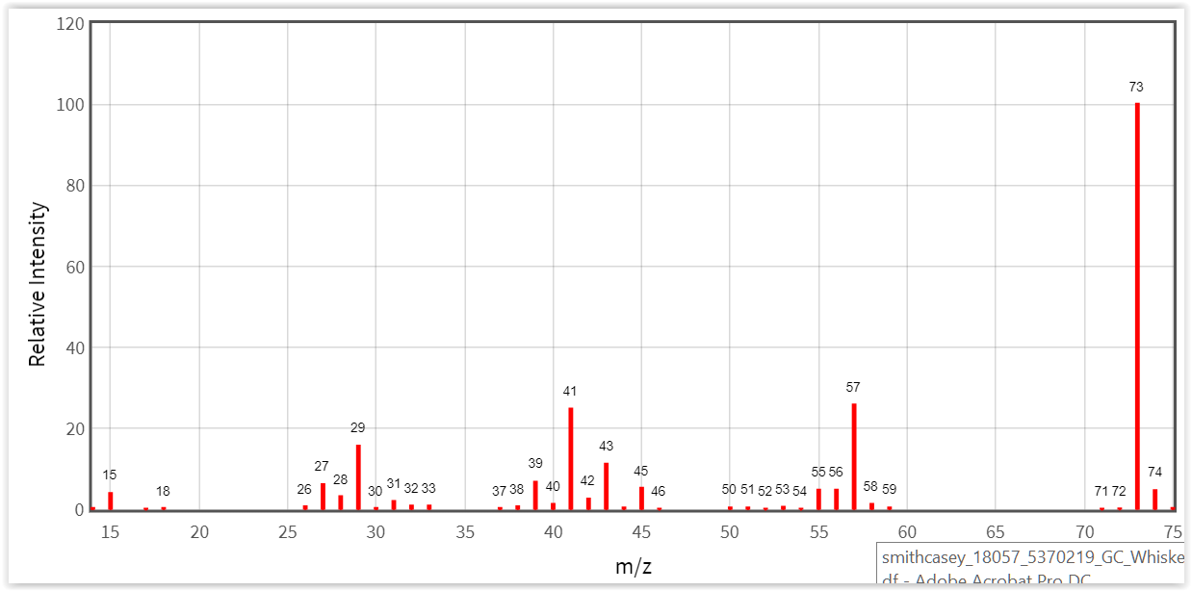

 |  |  | molecular ion mass: |  | C | H | O
 | cyclohexane | C6H12 |  | Da

